ToDoList
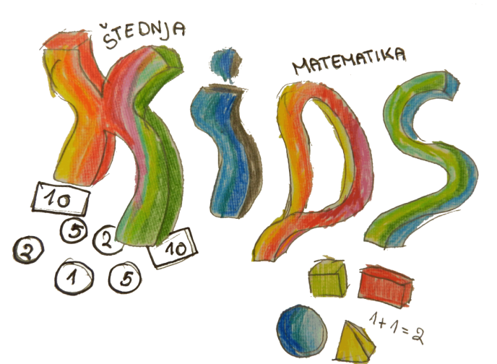
To Do List - KIDS ACTIVITIES |  |  |  |  |  | © 2014 by Vertex42.com
Project: [KIDS - Keep Invest Donate Spend] |  |  |  |  |  | To Do List Template

Project / Task | Status | Priority | Due Date | Evidências | Notes
Need Analysis Data - pupils, parents, teachers | In Progress | high | 22nd june 2015 | Basis for modules/workshops | Data in excel sheets
Modules guidelines | Planning | high | 10th July 2015 |  | Done by Turkey and Portugal
Modules contents for workshops | Planning | high | 1st September 2015 |  | Poland-teachers; Romania-pupils; Croatia-parents
Standard Activity Lesson Plan | Planning | high | 30th June 2015 |  | Poland and Croatia
Activities Lesson Plans | Planning | high | 23rd to 27th Sept 2015 |  | All partners according with schedule
Skype partners meeting | Approved | high | 6th July |  | 11:00 - Turkish time / 09:00 Portuguese time

Money box | Completed | - | 1 de Março 2015 | Photos from EB 2,3 exhibition in the library
Drama / Puppet show | In Progress | high | 2 de Junho de 2015 |  | To be recorded with English subtitles / Fantoches / atores tempo moderno
Financial Game Day | Completed | - | 22 de Março de 2015 | Photos from EB 2,3 exhibition in the library | Monopoly
' | Completed | - | 4 de Abril de 2015 | Photos | Grocery activity - 1st Cycle
' | Completed | - | 29 de Maio de 2015 |  | Shopping list: "More for less money" - Trabalho de grupo/€10 máximo produtos que podem comprar utilizando os folhetos
' | In Progress | high | 6 de Junho de 2015 |  | Monopoly / Portugal posponed 2nd round for Sept 2015
KIDS Fair + Donation to Crescer+ |  | low | Novembro de 2016 |  | Feira de Outono
History of Money - visita de estudo à Fundação Cupertino de Miranda - Paper Money Museum | Completed | - | 1 de Abril de 2015 | Photos from EB 2,3 exhibition in the library | Exposições nas escolas EB 2,3 de Marco de Canaveses e EB1/JI de Rua Direita
Planting trees |  | low | 22 de Abril de 2016
Visit to a local bank |  | low | 30 de Outubro de 2015
Exchange of Good Practices - chain activity | In Progress | high | 10 de Junho de 2015 | https://sway.com/oEw2BqSVj7cidli_ | Romania-Portugal-Turkey-Poland-Croacia
Pocket Money Diary |  | low | Setembro a Abril 2016 |  | 5th grade - Bankarro / 4th grade - Credit card
Visit to a supermarket |  | low | 25 de Setembro de 2015 |  | (6º ano Matemática)
Multiplier event |  | low | 04 a 08 de Abril 2016 |  | Kars, Turkey
3 days Workshops |  | low | November 2015 |  | 1- Pupils +brainstorm ? / 2- Teachers / 3- Parents + paintings
Wish Tree |  | low | 2nd/3rd weeks September 2015
Fairytale - chain story: Turkey-Croacia-Poland-Portugal-Romania |  | low | Jan to March 2016 |  | 500 words, 2 languages, drawings
Porfolios |  | low | 30 June 2016 |  | Each teacher does a portfolio with pupils work
Questionnaires | Completed | - | May 2015 |  | Organised and sent by Turkey
Mid-project evaluation | In Progress | high | March 2015 |  | Organised and sent by Turkey
2nd meeting - Portugal | Completed | - | 10th to 14th June 2015
3rd meeting - Croacia | Planning | high | 23rd to 27th Sept 2015
4th meeting - Romania |  | low | 3rd to 7th Fev 2016
5th meeting - Poland |  | low | 4th to 8th May
Project corner | In Progress | normal | 30 de Novembro 2014 | Photos from EB 2,3 exhibition in the library | Photos from EB1/JI Rua de Direita
Countries factsheets | Completed |  | 31 de Dezembro de 2014 | Photos from EB 2,3 exhibition in the library
Logo, Mascot, Poster | Completed |  | 31 de Dezembro de 2014 | Website + eTwinning
Project's brochure | Completed |  | 31 Outubro de 2014 | Brochure
Mascot 3D | Completed |  | Fevereiro de 2015 | Mascote

