Foaie1


 |  |  |  | European Union Erasmus + Program - Strategic Partnerships for Schools Only
 |  |  |  | ”In A Far Away Land: Refugee Children”, ID Project: 2016-1-TR01-KA219-033904
 |  |  |  | Transnational Project Meeting
 |  |  |  | 8-11 December 2016, Colegiul Energetic, Râmnicu Vâlcea, Romania
 |  |  |  | RESULTS
 |  |  |  | EVALUATION FORM – teachers
Total number of teachers: 16

A- PREPARATION AND DEVELOPMENT OF THIS MEETING
Categories | Check your responses
 | Strongly disagree- Strongly agree
 | NO OF ANSWERS - 1 | 2 | 3 | 4 | 5
Preparation for the meeting:
The information for the meeting was enough. | 0 | 0 | 0 | 2 | 14 | 16
The information was timely provided. | 0 | 0 | 0 | 2 | 14 | 16
The communication between partners was adequate. | 0 | 0 | 0 | 6 | 10 | 16
Evaluation of the meeting:
The objectives were stated clearly. | 0 | 0 | 0 | 5 | 11 | 16
The meetings' objectives were met. | 0 | 0 | 0 | 2 | 14 | 16
The program was adequate. | 0 | 0 | 0 | 5 | 11 | 16
The program was fulfilled. | 0 | 0 | 0 | 3 | 13 | 16
The topics covered were relevant. | 0 | 0 | 0 | 5 | 11 | 16
The meeting was perceived as valuable. | 0 | 0 | 0 | 5 | 11 | 16
There was opportunity for interactive participation. | 0 | 0 | 0 | 2 | 14 | 16
There was opportunity for exchanging didactic experiences to know each other. | 0 | 0 | 0 | 6 | 10 | 16
The organization of the meeting allowed participants to get to know each other. | 0 | 0 | 0 | 1 | 15 | 16

B - IMPACT OF THE MEETING

Please rate the impacts of the meeting on your: 1.- None 2.- Small 3.- Medium 4.- High 5.- Very significant | Check your responses
 | None - Very significante
 | NO OF ANSWERS - 1 | 2 | 3 | 4 | 5
Please rate the impacts of the meeting on your:
Language skills | 0 | 0 | 3 | 5 | 8 | 16
ICT skills | 0 | 0 | 6 | 4 | 6 | 16
Pedagogical skills | 0 | 0 | 4 | 8 | 4 | 16
Motivation | 0 | 0 | 0 | 7 | 9 | 16
Project management skills | 0 | 0 | 0 | 7 | 8 | 15
Increased knowledge about partner countries and cultures. | 0 | 0 | 0 | 3 | 13 | 16

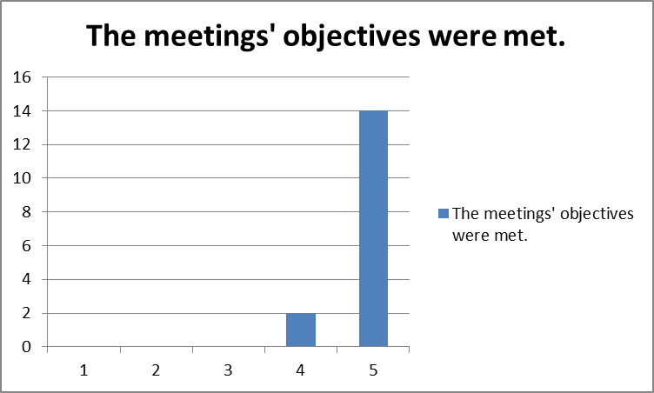

Preparation for the meeting

